Risk Models
Usage data (Table 2):
 | Flights | Passengers Boarded | Revenue Passenger Miles
American Airlines | 673,302 | 85,765,808 | 126,529,323,711 |  |  |  | 0.1009953
American Eagle | 574,770 | 21,516,926 | 9,334,131,661 |  |  |  | 0.0977109
Total | 1,248,072 | 107,282,734 | 135,863,455,372

Fleet data (Table 1): |  |  |  |  |  |  |  |  | Loss calculations --->

 |  |  |  |  |  |  |  |  |  |  |  |  |  |  | Liability for Fatalities (Assume <= 5 for a given type)
American Airlines, Inc. |  |  |  |  |  |  |  |  |  |  |  |  |  |  | Include only if fatal accident occurs
 |  |  |  |  |  | Crew Seats |  | Passenger | Hull Loss Accidents |  |  | Hull Losses |  |  | Cost if Accident (per seat) |  |  |  |  | Include in total?
Type | Count | Value Per Acft | Total | Exp # of fatal | Exp # Non-Fatal | Cockpit | Cabin | Seats | Fatal | Nonfatal Hull |  | (from fatal and nonfatal) |  | Attritional Losses | 1 | 2 | 3 | 4 | 5 | 1 | 2 | 3 | 4 | 5 |  | Total Liability
B737 | 141 | $42,140,625 | $5,941,828,125 | 0.02 | 0.03 | 3 | 6 | 155 | 0 | 0 |  | $0 |  | $5,519,097 | $959,681 | $2,387,520 | $3,030,020 | $2,113,479 | $1,731,104 | 0 | 0 | 0 | 0 | 0 |  | $0
B757 | 124 | $22,670,238 | $2,811,109,512 | 0.02 | 0.02 | 3 | 6 | 188 | 0 | 0 |  | $0 |  |  | $925,385 | $1,015,579 | $2,255,724 | $537,795 | $2,171,534 | 0 | 0 | 0 | 0 | 0 |  | $0
B767-200 | 15 | $9,489,096 | $142,336,440 | 0.00 | 0.00 | 3 | 6 | 168 | 0 | 1 |  | $9,489,096 |  |  | $1,192,506 | $194,428 | $1,083,091 | $2,533,530 | $433,794 | 0 | 0 | 0 | 0 | 0 |  | $0
B767-300 | 58 | $33,461,906 | $1,940,790,548 | 0.01 | 0.01 | 3 | 6 | 225 | 0 | 0 |  | $0 |  |  | $2,769,715 | $387,035 | $189,113 | $1,389,816 | $1,960,099 | 0 | 0 | 0 | 0 | 0 |  | $0
B777 | 47 | $72,143,835 | $3,390,760,245 | 0.01 | 0.01 | 4 | 6 | 247 | 0 | 0 |  | $0 |  |  | $1,007,544 | $1,471,968 | $785,208 | $444,796 | $974,823 | 0 | 0 | 0 | 0 | 0 |  | $0
MD80 | 252 | $8,892,149 | $2,240,821,548 | 0.04 | 0.05 | 2 | 6 | 140 | 0 | 0 |  | $0 |  |  | $881,896 | $279,430 | $1,050,154 | $894,617 | $208,156 | 0 | 0 | 0 | 0 | 0 |  | $0
Total | 637 |  | $16,467,646,418 |  |  |  |  | 107,626 | 0 | 1 | AA Hull | $9,489,096 | AA Attritional | $5,519,097 |  |  |  |  |  |  |  |  |  |  | AA Liability | $0

 |  |  |  |  |  |  |  |  |  |  |  |  |  |  | Liability for Fatalities (Assume <= 5 for a given type)
American Eagle Airlines, Inc. |  |  |  |  |  |  |  |  |  |  |  |  |  |  | Include only if fatal accident occurs
 |  |  |  |  |  | Crew Seats |  | Passenger | Hull Loss Accidents |  |  | Hull Losses |  |  | Cost if Accident (per seat) |  |  |  |  | Include in total?
Type | Count | Value Per Acft | Total | Exp # of fatal | Exp # Non-Fatal | Cockpit | Cabin | Seats | Fatal | Nonfatal Hull |  | (from fatal and nonfatal) |  | Attritional Losses | 1 | 2 | 3 | 4 | 5 | 1 | 2 | 3 | 4 | 5 |  | Total Liability
E135 | 21 | $6,222,520 | $130,672,920 | 0.01 | 0.01 | 2 | 1 | 37 | 1 | 0 |  | $6,222,520 |  | $4,318,867 | $152,945 | $4,070,432 | $1,691,667 | $866,465 | $271,906 | 1 | 0 | 0 | 0 | 0 |  | $6,117,808
E140 | 59 | $9,537,020 | $562,684,180 | 0.02 | 0.02 | 2 | 1 | 44 | 0 | 0 |  | $0 |  |  | $939,083 | $542,663 | $475,358 | $361,026 | $227,686 | 0 | 0 | 0 | 0 | 0 |  | $0
E145 | 118 | $10,970,054 | $1,294,466,372 | 0.04 | 0.04 | 2 | 1 | 50 | 0 | 0 |  | $0 |  |  | $1,019,099 | $3,444,857 | $2,960,952 | $3,580,828 | $347,148 | 0 | 0 | 0 | 0 | 0 |  | $0
CRJ | 25 | $13,391,055 | $334,776,375 | 0.01 | 0.01 | 2 | 2 | 63 | 0 | 0 |  | $0 |  |  | $843,643 | $369,003 | $414,410 | $552,078 | $1,351,428 | 0 | 0 | 0 | 0 | 0 |  | $0
New CRJs | 7 | $26,200,000 | $183,400,000 | 0.00 | 0.00 | 2 | 2 | 63 | 0 | 0 |  | $0 |  |  | $819,752 | $701,759 | $1,233,214 | $900,510 | $3,640,281 | 0 | 0 | 0 | 0 | 0 |  | $0
ATR | 39 | $5,870,192 | $228,937,488 | 0.01 | 0.01 | 2 | 2 | 66 | 0 | 0 |  | $0 |  |  | $4,953,201 | $953,749 | $230,274 | $353,765 | $4,513,062 | 0 | 0 | 0 | 0 | 0 |  | $0
Total | 269 |  | $2,041,580,235 |  |  |  |  | 13,863 | 1 | 0 | AE Hull | $6,222,520 | AE Attritional | $4,318,867 |  |  |  |  |  |  |  |  |  |  | AE Liability | $6,117,808

Total (AA + AE) | 906 |  | $18,509,226,653 |  |  |  |  | 121,489 |  |  | Total Hull | $15,711,616 | Total Attritional | $9,837,964 |  |  |  |  |  |  |  |  |  |  | Total Liability | $6,117,808

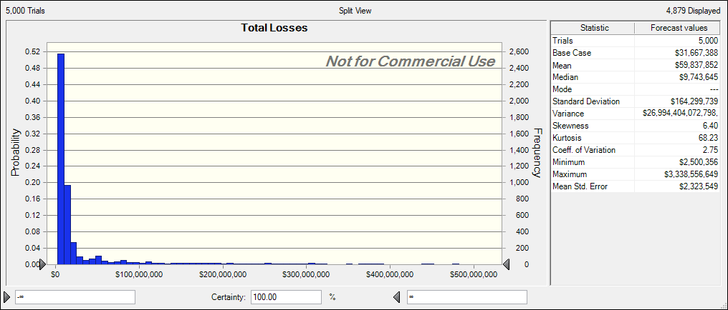
 |  |  |  |  |  |  |  |  |  |  |  |  |  |  |  |  |  |  |  |  |  |  |  |  | Total Losses | $31,667,388

Results
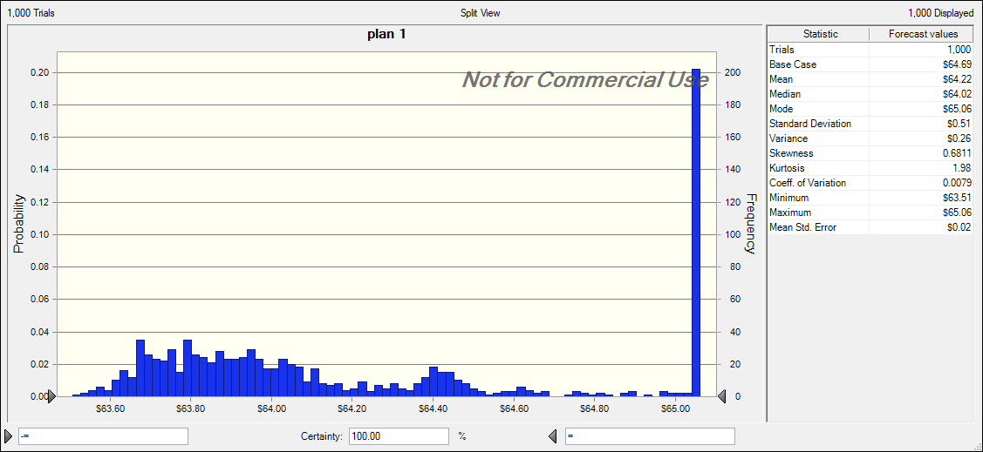
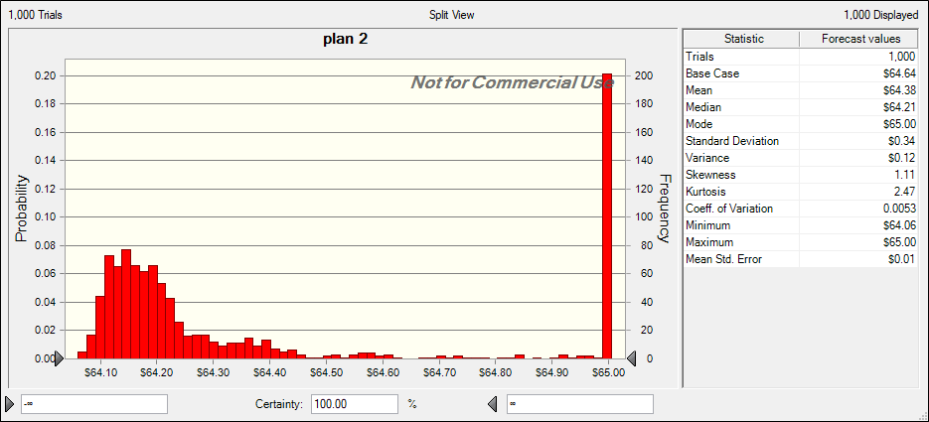
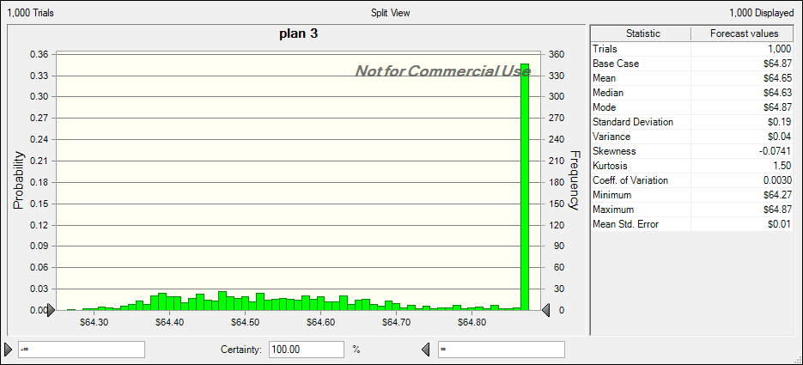
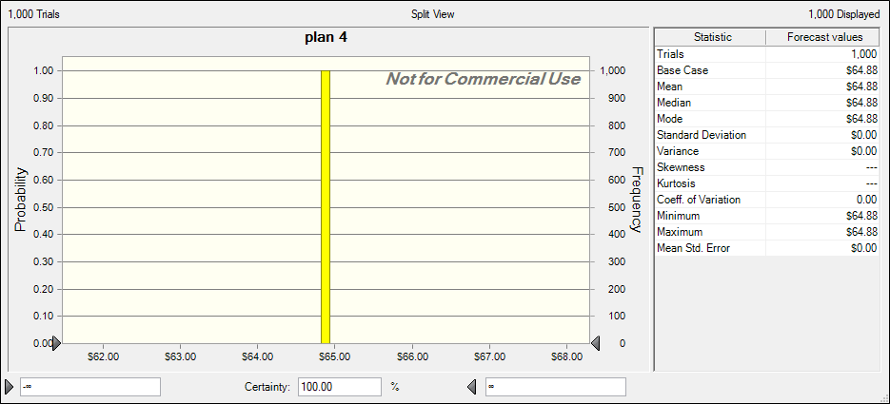
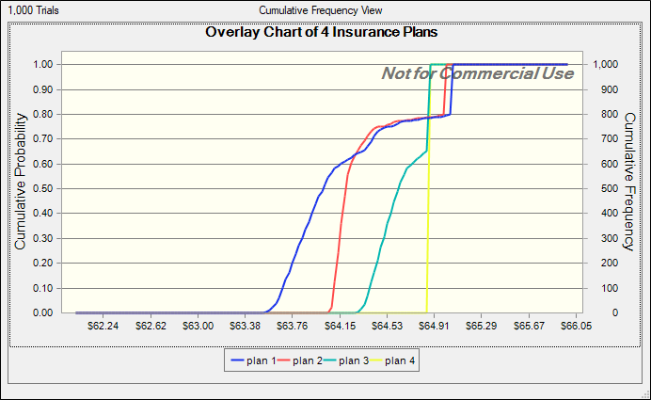

recommendation: purchase both of the SIR plans

Table 5 (Example calculations)
 |  |  |  |  |  |  | Loss |  | Loss |  | Loss
 |  |  |  |  |  |  | $4.00 |  | $23.00 |  | $78.00

Underwriting Company | 100% Premium | Bound Share | SIR |  | Share Taken | Premium Paid | Insurer Share | AMR Share | Insurer Share | AMR Share | Insurer Share | AMR Share
I | $59.50 | 13.00% | - |  | 13.00% | $7.74 | $0.52 | - | $2.99 | - | $10.14 | -
F | $62.00 | 5.00% | - |  | 5.00% | $3.10 | $0.20 | - | $1.15 | - | $3.90 | -
H | $62.00 | 3.50% | - |  | 3.50% | $2.17 | $0.14 | - | $0.81 | - | $2.73 | -
N | $62.00 | 2.00% | - |  | 2.00% | $1.24 | $0.08 | - | $0.46 | - | $1.56 | -
P | $62.00 | 3.00% | - |  | 3.00% | $1.86 | $0.12 | - | $0.69 | - | $2.34 | -
K | $62.11 | 2.00% | - |  | 2.00% | $1.24 | $0.08 | - | $0.46 | - | $1.56 | -
E | $62.50 | 15.00% | - |  | 15.00% | $9.38 | $0.60 | - | $3.45 | - | $11.70 | -
R | $63.50 | 5.00% | - |  | 5.00% | $3.18 | $0.20 | - | $1.15 | - | $3.90 | -
B | $64.00 | 8.00% | - |  | 8.00% | $5.12 | $0.32 | - | $1.84 | - | $6.24 | -
A | $65.00 | 12.50% | - |  | 12.50% | $8.13 | $0.50 | - | $2.88 | - | $9.75 | -
C | $65.00 | 2.50% | - |  | 2.50% | $1.63 | $0.10 | - | $0.58 | - | $1.95 | -
O | $66.75 | 10.00% | - |  | 10.00% | $6.68 | $0.40 | - | $2.30 | - | $7.80 | -
L | $67.50 | 3.75% | - |  | 3.75% | $2.53 | $0.15 | - | $0.86 | - | $2.93 | -
D | $69.00 | 7.00% | - |  | 7.00% | $4.83 | $0.28 | - | $1.61 | - | $5.46 | -
M | $75.00 | 2.00% | - |  | 2.00% | $1.50 | $0.08 | - | $0.46 | - | $1.56 | -
J | $79.50 | 5.00% | - |  | 5.00% | $3.98 | $0.20 | - | $1.15 | - | $3.90 | -
G | $80.00 | 5.00% | - |  | 0.75% | $0.60 | $0.03 | - | $0.17 | - | $0.59 | -
Q | $85.00 | 2.50% | - |  | - | - | - | - | - | - | - | -

J - with SI | $64.50 | 5.00% | $15.00 |  | - | - | - | - | - | - | - | -
S - with SI | $36.00 | 2.00% | $50.00 |  | - | - | - | - | - | - | - | -
 |  |  |  | Total | 100.00% | $64.88 | $4.00 | $0.00 | $23.00 | $0.00 | $78.00 | $0.00

 |  |  | SIR = Self Insured Retention |  |  |  | Total Cost | $64.88 |  | $64.88 |  | $64.88

Hint: Think about why in this case the total cost stays the same acorss "low" , "typical", and "high" loss scenarios.

Table 6 (Loss calculations)
Since there are 2 B737 accidents involing fatalities, we only include the per-seat liability losses of $959k and $2.387M. The total liability is thus
(0.959+2.387)* # of seats (passengers + crew) is about 548M.
Usage data (Table 2):
 | Flights | Passengers Boarded | Revenue Passenger Miles
American Airlines | 673,302 | 85,765,808 | 126,529,323,711 |  |  |  | 0.1009953
American Eagle | 574,770 | 21,516,926 | 9,334,131,661 |  |  |  | 0.0977109
Total | 1,248,072 | 107,282,734 | 135,863,455,372

Fleet data (Table 1): |  |  |  |  |  |  |  |  | Loss calculations --->

 |  |  |  |  |  |  |  |  |  |  |  |  |  |  | Liability for Fatalities (Assume <= 5 for a given type)
American Airlines, Inc. |  |  |  |  |  |  |  |  |  |  |  |  |  |  | Include only if fatal accident occurs
 |  |  |  |  |  | Crew Seats |  | Passenger | Hull Loss Accidents |  |  | Hull Losses |  |  | Cost if Accident (per seat) |  |  |  |  | Include in total?
Type | Count | Value Per Acft | Total | Exp # of fatal | Exp # Non-Fatal | Cockpit | Cabin | Seats | Fatal | Nonfatal Hull |  | (from fatal and nonfatal) |  | Attritional Losses | 1 | 2 | 3 | 4 | 5 | 1 | 2 | 3 | 4 | 5 |  | Total Liability
B737 | 141 | $42,140,625 | $5,941,828,125 | 0.02 | 0.03 | 3 | 6 | 155 | 2 | 0 |  | $84,281,250 |  | $5,519,097 | $959,681 | $2,387,520 | $3,030,020 | $2,113,479 | $1,731,104 | 1 | 1 | 0 | 0 | 0 |  | $548,940,820
B757 | 124 | $22,670,238 | $2,811,109,512 | 0.02 | 0.02 | 3 | 6 | 188 | 2 | 0 |  | $45,340,476 |  |  | $925,385 | $1,015,579 | $2,255,724 | $537,795 | $2,171,534 | 1 | 1 | 0 | 0 | 0 |  | $382,369,920
B767-200 | 15 | $9,489,096 | $142,336,440 | 0.00 | 0.00 | 3 | 6 | 168 | 2 | 0 |  | $18,978,192 |  |  | $1,192,506 | $194,428 | $1,083,091 | $2,533,530 | $433,794 | 1 | 1 | 0 | 0 | 0 |  | $245,487,365
B767-300 | 58 | $33,461,906 | $1,940,790,548 | 0.01 | 0.01 | 3 | 6 | 225 | 2 | 0 |  | $66,923,812 |  |  | $2,769,715 | $387,035 | $189,113 | $1,389,816 | $1,960,099 | 1 | 1 | 0 | 0 | 0 |  | $738,679,517
B777 | 47 | $72,143,835 | $3,390,760,245 | 0.01 | 0.01 | 4 | 6 | 247 | 2 | 1 |  | $216,431,505 |  |  | $1,007,544 | $1,471,968 | $785,208 | $444,796 | $974,823 | 1 | 1 | 0 | 0 | 0 |  | $637,234,591
MD80 | 252 | $8,892,149 | $2,240,821,548 | 0.04 | 0.05 | 2 | 6 | 140 | 2 | 0 |  | $17,784,298 |  |  | $881,896 | $279,430 | $1,050,154 | $894,617 | $208,156 | 1 | 1 | 0 | 0 | 0 |  | $171,876,348
Total | 637 |  | $16,467,646,418 |  |  |  |  | 107,626 | 12 | 1 | AA Hull | $449,739,533 | AA Attritional | $5,519,097 |  |  |  |  |  |  |  |  |  |  | AA Liability | $2,724,588,562

 |  |  |  |  |  |  |  |  |  |  |  |  |  |  | Liability for Fatalities (Assume <= 5 for a given type)
American Eagle Airlines, Inc. |  |  |  |  |  |  |  |  |  |  |  |  |  |  | Include only if fatal accident occurs
 |  |  |  |  |  | Crew Seats |  | Passenger | Hull Loss Accidents |  |  | Hull Losses |  |  | Cost if Accident (per seat) |  |  |  |  | Include in total?
Type | Count | Value Per Acft | Total | Exp # of fatal | Exp # Non-Fatal | Cockpit | Cabin | Seats | Fatal | Nonfatal Hull |  | (from fatal and nonfatal) |  | Attritional Losses | 1 | 2 | 3 | 4 | 5 | 1 | 2 | 3 | 4 | 5 |  | Total Liability
E135 | 21 | $6,222,520 | $130,672,920 | 0.01 | 0.01 | 2 | 1 | 37 | 0 | 0 |  | $0 |  | $4,318,867 | $152,945 | $4,070,432 | $1,691,667 | $866,465 | $271,906 | 0 | 0 | 0 | 0 | 0 |  | $0
E140 | 59 | $9,537,020 | $562,684,180 | 0.02 | 0.02 | 2 | 1 | 44 | 1 | 0 |  | $9,537,020 |  |  | $939,083 | $542,663 | $475,358 | $361,026 | $227,686 | 1 | 0 | 0 | 0 | 0 |  | $44,136,901
E145 | 118 | $10,970,054 | $1,294,466,372 | 0.04 | 0.04 | 2 | 1 | 50 | 0 | 0 |  | $0 |  |  | $1,019,099 | $3,444,857 | $2,960,952 | $3,580,828 | $347,148 | 0 | 0 | 0 | 0 | 0 |  | $0
CRJ | 25 | $13,391,055 | $334,776,375 | 0.01 | 0.01 | 2 | 2 | 63 | 0 | 1 |  | $13,391,055 |  |  | $843,643 | $369,003 | $414,410 | $552,078 | $1,351,428 | 0 | 0 | 0 | 0 | 0 |  | $0
New CRJs | 7 | $26,200,000 | $183,400,000 | 0.00 | 0.00 | 2 | 2 | 63 | 0 | 0 |  | $0 |  |  | $819,752 | $701,759 | $1,233,214 | $900,510 | $3,640,281 | 0 | 0 | 0 | 0 | 0 |  | $0
ATR | 39 | $5,870,192 | $228,937,488 | 0.01 | 0.01 | 2 | 2 | 66 | 0 | 0 |  | $0 |  |  | $4,953,201 | $953,749 | $230,274 | $353,765 | $4,513,062 | 0 | 0 | 0 | 0 | 0 |  | $0
Total | 269 |  | $2,041,580,235 |  |  |  |  | 13,863 | 1 | 1 | AE Hull | $22,928,075 | AE Attritional | $4,318,867 |  |  |  |  |  |  |  |  |  |  | AE Liability | $44,136,901

Total (AA + AE) | 906 |  | $18,509,226,653 |  |  |  |  | 121,489 |  |  | Total Hull | $472,667,608 | Total Attritional | $9,837,964 |  |  |  |  |  |  |  |  |  |  | Total Liability | $2,768,725,463

 |  |  |  |  |  |  |  |  |  |  |  |  |  |  |  |  |  |  |  |  |  |  |  |  | Total Losses | $3,251,231,035

